Sheet1
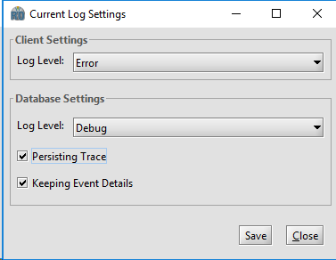
Select Tools -> Configuration -> Current Log Settings… menu option

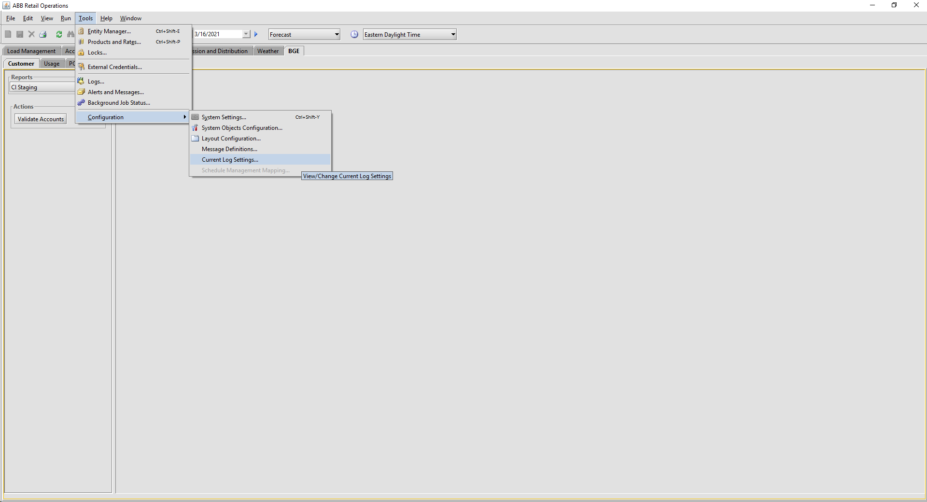

To enable Debug Mode specify a Log Level of "Debug" and check the "Persisting Trace" and "Keeping Event Details" options in the dialog. Select the Save button and then Close the dialog.

